Serious Violence Measures
Homicides
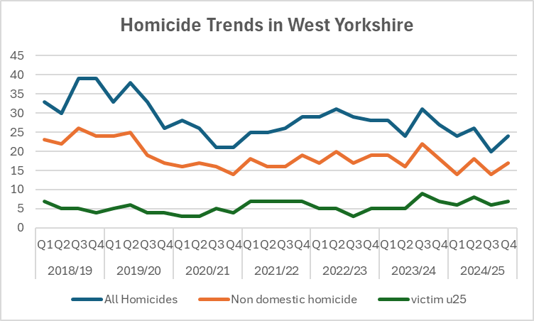
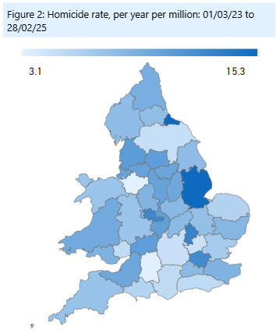

 |  |  |  |  | Area | per mill pop
 |  |  |  |  | West Yorkshire | 10.6
 |  |  |  |  | Greater Manchester | 10.2
 |  |  |  |  | West Midlands | 12.6
 |  |  |  |  | South Yorkshire | 9.9

 | After the increases seen in 2018/19 and the subsequent drop during the pandemic West Yorkshire has seen a levelling of homicide numbers althought the last quarter shows a slight increase. |  |  | The comparison with other forces shows that the recent slight upturn takes us above other areas (apart from West Midlands).

Knife Crime

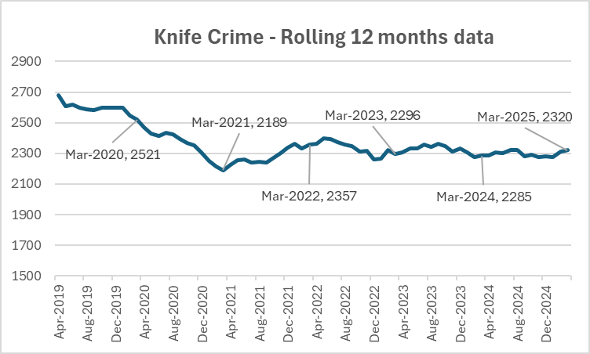

 | The numbers of knife crime offences has also increased with the last 12 months figure showing a 1.5% increase in comparison to the previous 12 months. This is still lower than before the pandemic but very close to the highest rolling 12 month total since the pandemic. |  | The current national figures are up to December 2024 when West Yorkshire were showing an 11.5% decrease in comparison to before the pandemic. Greater Manchester are now included in these figures which show the increases seen there.

Hospital Admissions
 |  |  |  |  | Under 25's

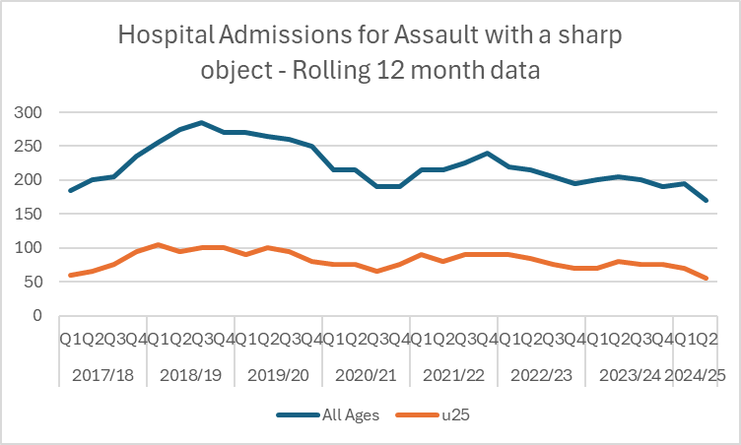
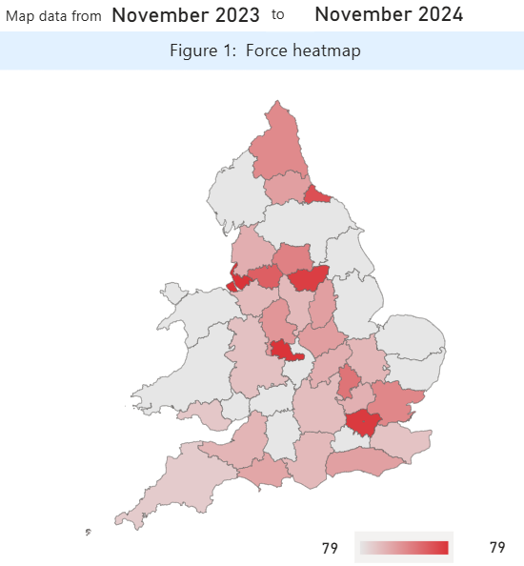
 |  |  |  |  | Area | last 12 months
 |  |  |  |  | West Midlands | 139
 |  |  |  |  | South Yorkshire | 131
 |  |  |  |  | Greater Manchester | 105
 |  |  |  |  | West Yorkshire | 79

 | The latest Hospital Admissions quarterly data is up to the end of September 2024 and this shows a downturn in numbers for both all ages and for under 25's | The u'25 map shows more recent data (up to November 2024) and West Yorkshire is shown here as being lower than our most similar forces for this metric.

Knife Enabled Robberies

 | This table shows the number of selected serious offences that involved the use of a knife. The % compares the number of each offence type with the overall number of selected serious offences. West Yorkshire has a high number of Robberies involving a knife - but still lower than England and Wales average - and is lower than E&W average in all offence types included in this table.

Serious Violence Duty

 | Although the VRP are not part of the responsible authorities list, the Serious Violence Duty (SVD) responsible authorities across West Yorkshire agreed that the VRP would support their response to the Duty through a coordination, convening and intelligence role. This extends to the development of the five place based Implementation Response Plans alongside the West Yorkshire Needs Assessments and West Yorkshire Response Strategy.

 | The below is taken from the most recent West Yorkshire Needs Assessment from which all the five place based implementation response plans are extracted.

 | Serious Violence Needs Assessment link

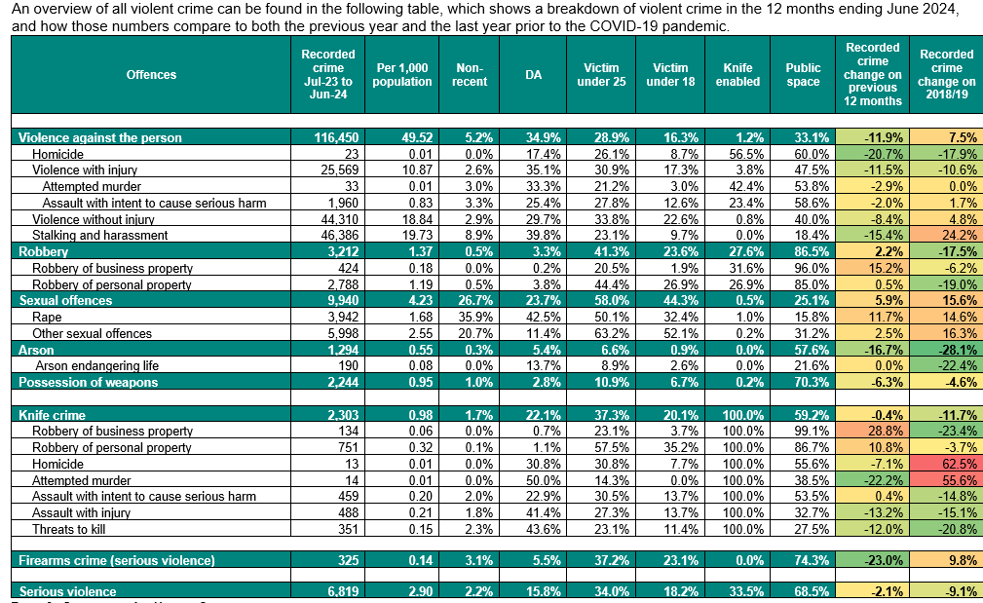

Confidence and Satisfaction
Confidence Measures
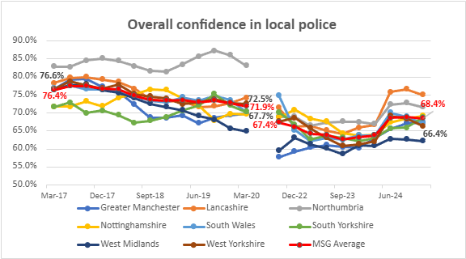
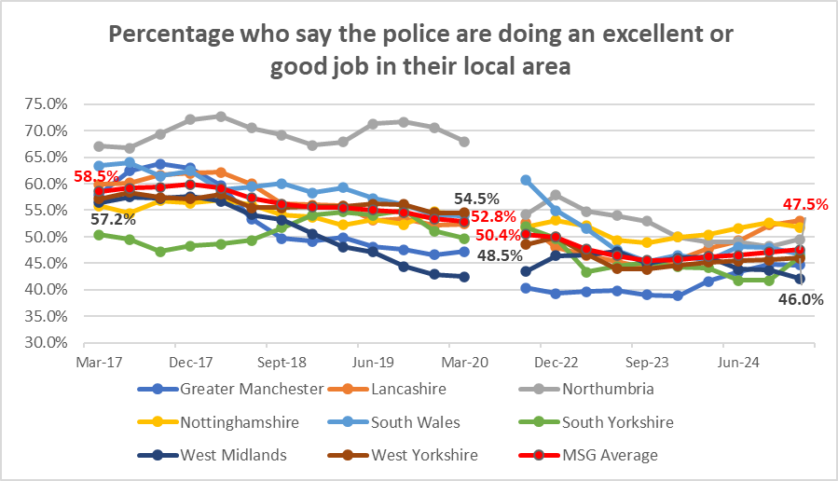

 | The first graph relates to overall confidence in local police and is the measure that is usually quoted from this data. This measure saw a bit of a rally at the start of 2024, but is now on a slight decreasing trend and below MSG average – but this follows other areas in pattern. The second graph looks at whether the police are doing a good job in the area - and this is currently on an increasing trend but still below MSG average
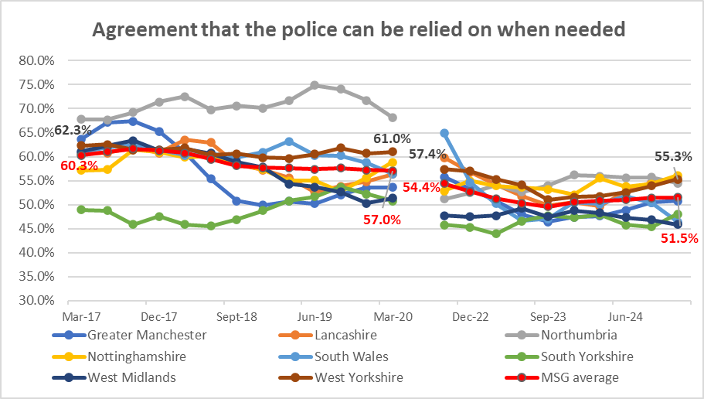
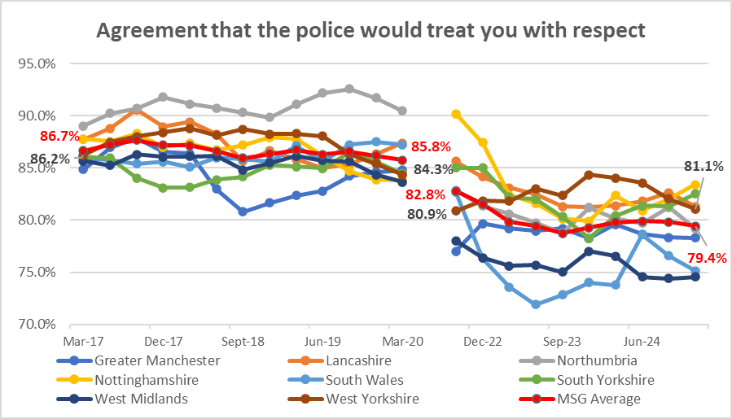

The agreement that Police can be relied on measurere is still on an increasing trend - and seems to be in contrast to other areas which are on either a declining or flat trend But the agreement that Police would treat you with respect is on a slight downward trend but still sits above MSG average, (Please note the left axis here - with over 80% of respondents stating the police would treat you with respect)

Victim Satisfaction
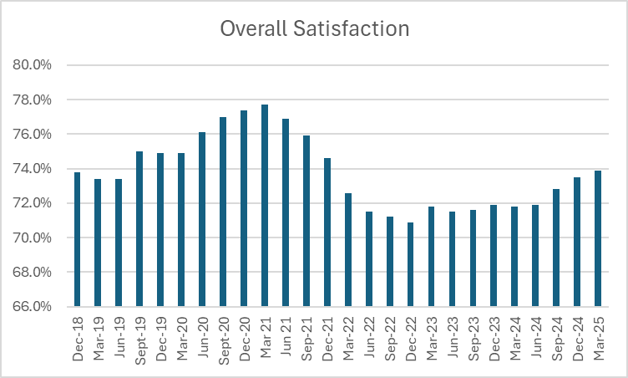
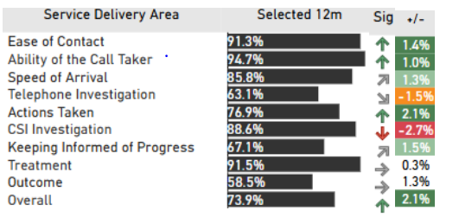

Levels of Overall satisfaction have increased for both attended and unattended crimes in comparison to the previous year, both up 2.6 percentage points. However, satisfaction levels for victims of crimes and incidents we don’t attend remain significantly lower than for those we do (66.2% compared to 79.1%). |  | Out of the ten service delivery areas assessed through the survey programme, two are showing a deterioration in comparison to the previous year (Telephone Investigation 63.1%, down 1.5% and CSI Investigation 88.6%, down 2.7%) and six are showing significant increases.

Calls for Service

Attendance and Response to Incidents
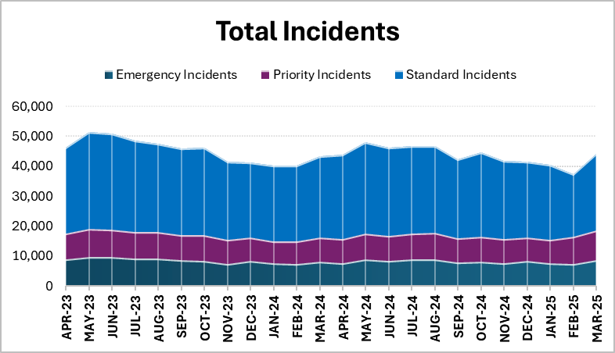

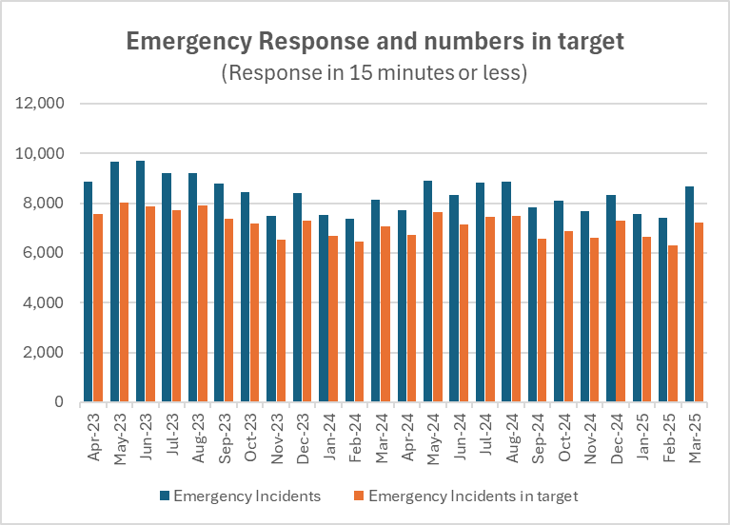
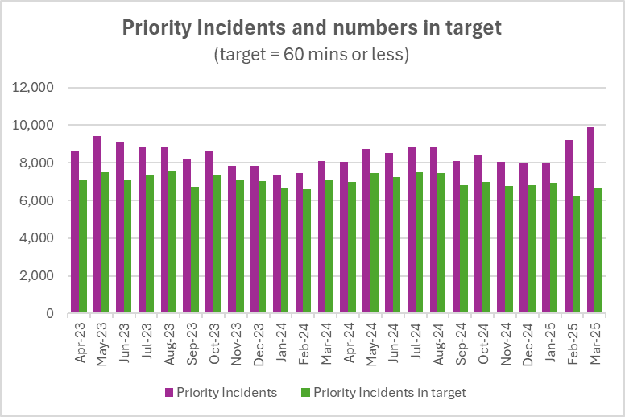

In the 12 months to March 2025 85.5% of the incidents were attended in the target time compared to 85.3% the previous 12 months |  | In the same time period 81.8% of Priority incidents were attended in the target time compared to 84.8% the previous 12 months

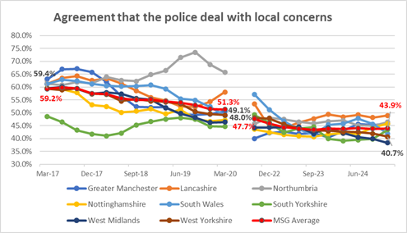
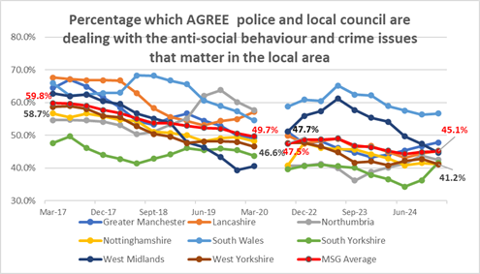

The first of the graphs looks at whether the public feel the police deal with local concerns, and the second if the police and local council deal with local concerns - it can be seen that some areas (such as South Wales and West Midlands benefit from the association with the council, but in both graphs we are lower than MSG average and although there had been a slight rally in the second graph - this shows signs of deterioration in the last quarter.

Other Confidence Measures
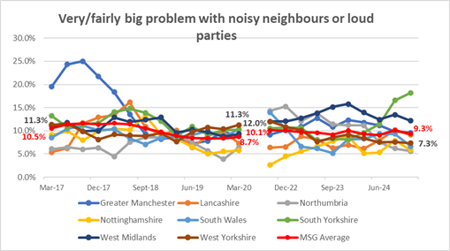
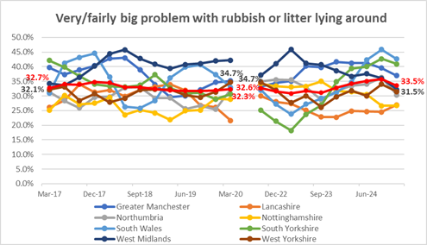

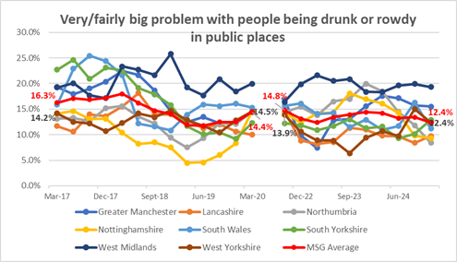
 | Litter has traditionally been a council matter and West Yorkshire is below MSG average - for noisy neighbours we were on top of the pile before the pandemic - but now below MSG average and on a stable trend
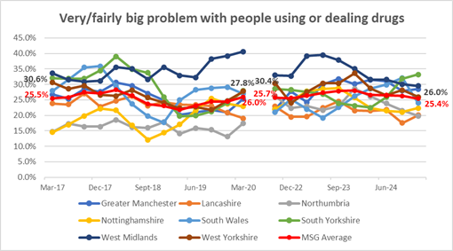

The problem of people being drunk or rowdy in public places was on an increasing trend, but has dropped back to the same as the MSG average.. The problem with people using or dealing drugs was on a decreasing trend but has now risen to MSG average. If the decreases seen in the last quarter continue, then this may change the position.
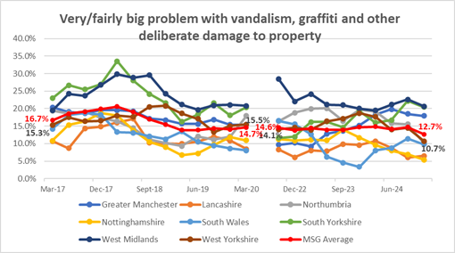

 |  |  | The last area is problems with criminal damage including vandalism and graffiti.
 |  |  | West Yorkshire is on a decreasing trend and sits lower than MSG average

 | The last area is problems with criminal damage including vandalism and graffiti. West Yorkshire was on a decreasing trend and remains similar to MSG average

Crimes and ASB
Total Crime
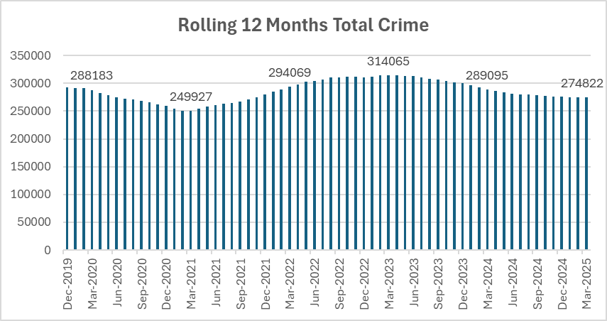

 |  |  |  |  |  | Total Crime is continuing to decline in comparison to the 12 months before and is now below the baseline before the pandemic in December 2019.

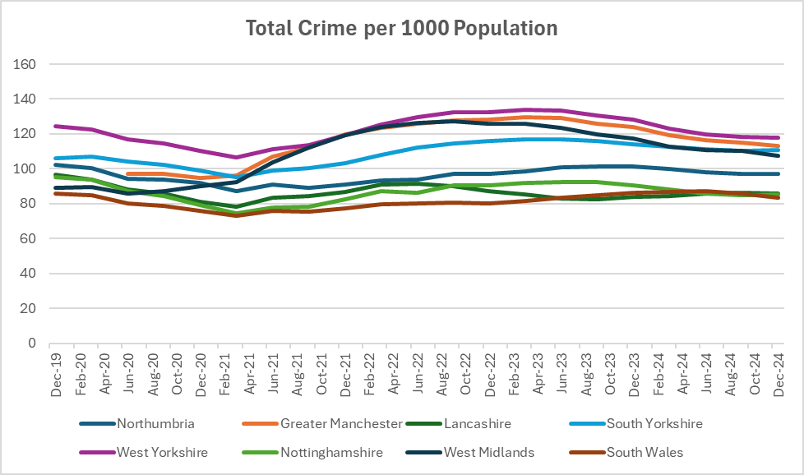

 |  |  |  |  |  |  | When comparing with other forces, West Yorkshire still has a high number of crime recorded due to the outstanding rating for Crime Data Integrity, but the pattern of increases and decreases matches other areas which indicates a national change rather than local

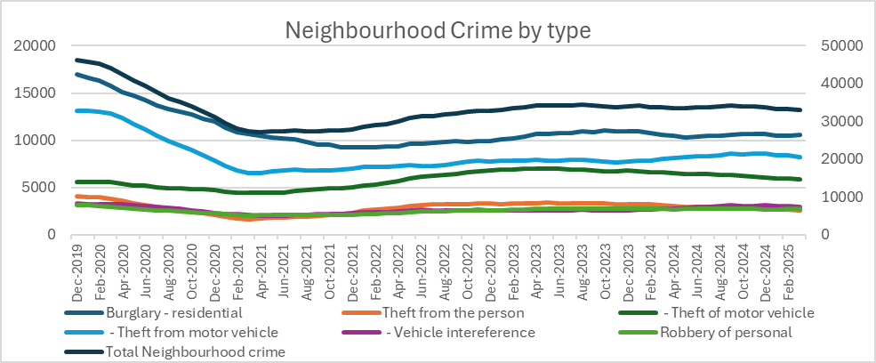

 |  |  |  |  |  |  | Force | Per 100,000 pop
 |  |  |  |  |  |  |  | Baseline (Jan 2019 – Dec 2019) | Last 12 months (to Sept 24) | % change
 |  |  |  |  |  |  | Nottinghamshire | 1444 | 802 | -44.5%
 |  |  |  |  |  |  | Greater Manchester | 2211 | 1254 | -43.3%
 |  |  |  |  |  |  | Lancashire | 1255 | 886 | -29.4%
 |  |  |  |  |  |  | West Yorkshire | 1920 | 1363 | -29.0%
 |  |  |  |  |  |  | South Wales | 992 | 750 | -24.4%
 |  |  |  |  |  |  | South Yorkshire | 1941 | 1552 | -20.0%
 |  |  |  |  |  |  | West Midlands | 2080 | 1688 | -18.8%
 |  |  |  |  |  |  | Northumbria | 1046 | 944 | -9.8%

Recorded ASB
 | 12 m to Mar 24 | 12m to Mar 25
April | 2590 | 2368
May | 3102 | 3082
Jun | 2732 | 2825
Jul | 2577 | 2914
Aug | 2667 | 2872
Sep | 2489 | 2100
Oct | 2687 | 2676
Nov | 1920 | 2345
Dec | 1272 | 1554
Jan | 1369 | 1580
Feb | 1867 | 1429
Mar | 2068 | 2243
 | 12 m to Mar 24 | 12m to Mar 25 | +/- vol | +/- %
April | 2590 | 2368 | -222 | -8.6%
May | 3102 | 3082 | -20 | -0.6%
Jun | 2732 | 2825 | 93 | 3.4%
Jul | 2577 | 2914 | 337 | 13.1%
Aug | 2667 | 2872 | 205 | 7.7%
Sep | 2489 | 2100 | -389 | -15.6%
Oct | 2687 | 2676 | -11 | -0.4%
Nov | 1920 | 2345 | 425 | 22.1%
Dec | 1272 | 1554 | 282 | 22.2%
Jan | 1369 | 1580 | 211 | 15.4%
Feb | 1867 | 1429 | -438 | -23.5%
Mar | 2068 | 2243 | 175 | 8.5%
12m total | 27340 | 27988 | 648 | 2.4%

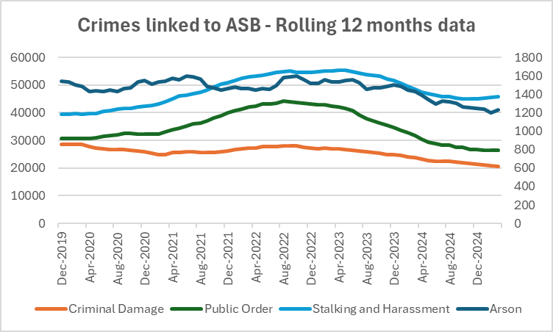
 |  |  |  |  | After a period of change, ASB incidents are now stable and comparable with the previous years. As well as incidents it is right to look also at crimes linked to ASB and the chart to the left shows the changes in these offences, with numbers rising up to the middle of 2023 then on a downward trend until recently when numbers have levelled out. This pattern is the same as the overall crime pattern above and points to this as a change in recording or something similar rather than an actual change in crime patterns.

Community Measures

Yorkshire average salary comparison
The average salary in Yorkshire is £39.7k. The UK average salary was £45.8k in 2024. Gross average salary is calculated for full-time employees. Employee has to be in the same job for over 12 months. The data collected is Tax Year Ending. The income includes incentive payments and are available for local government districts/counties.
Yorkshire average salary comparison
Region | Average salary in 2024
North East | £38.3k
East Midlands | £39.3k
Yorkshire | £39.7k
North West | £41.1k
West Midlands | £41.5k
United Kingdom | £45.8k

Yorkshire unemployment rate comparison

The unemployment rate in Yorkshire is 3%. The UK unemployment rate was 3.7% in 2024

The latest data set on Life expectancy from the ONS was released in December 2024 this can be found on the ONS Website.

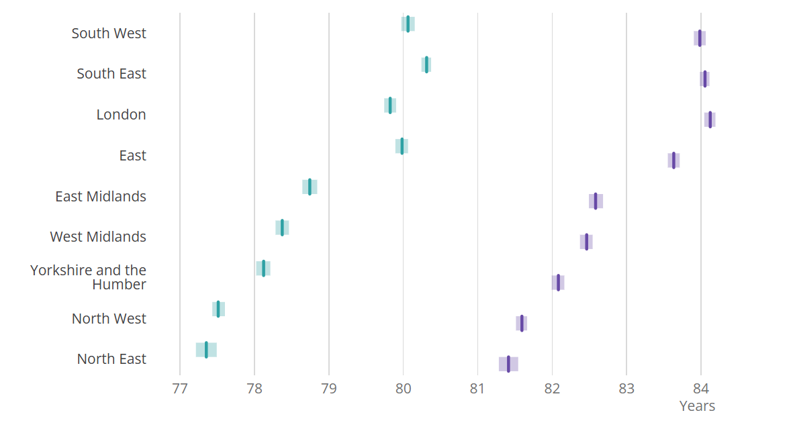

Supporting Victims
Overall VAWG Offences
VAWG offences include all offences in the following categories Rape - Other sexual Offences - Stalking and Harassment
Overall VAWG Offences
 | Rape | Other sexual offences | Stalking and Harassment
Dec-2019 | 3469 | 4945 | 39524
Jan-2020 | 3439 | 4894 | 39549
Feb-2020 | 3463 | 4888 | 39729
Mar-2020 | 3400 | 4921 | 39545
Apr-2020 | 3340 | 4767 | 39620
May-2020 | 3264 | 4687 | 39756
Jun-2020 | 3296 | 4587 | 40381
Jul-2020 | 3344 | 4556 | 40780
Aug-2020 | 3329 | 4589 | 41361
Sep-2020 | 3309 | 4588 | 41551
Oct-2020 | 3337 | 4588 | 41612
Nov-2020 | 3202 | 4543 | 41992
Dec-2020 | 3185 | 4526 | 42382
Jan-2021 | 3135 | 4403 | 42635
Feb-2021 | 3078 | 4319 | 43080
Mar-2021 | 3141 | 4338 | 44052
Apr-2021 | 3239 | 4506 | 44992
May-2021 | 3341 | 4691 | 45950
Jun-2021 | 3338 | 4847 | 46389
Jul-2021 | 3287 | 4939 | 46744
Aug-2021 | 3370 | 4958 | 47374
Sep-2021 | 3387 | 5009 | 48177
Oct-2021 | 3402 | 5070 | 49209
Nov-2021 | 3541 | 5186 | 50327
Dec-2021 | 3546 | 5249 | 50843
Jan-2022 | 3554 | 5408 | 51545
Feb-2022 | 3651 | 5546 | 52405
Mar-2022 | 3668 | 5661 | 52913
Apr-2022 | 3670 | 5719 | 53160
May-2022 | 3658 | 5724 | 53606
Jun-2022 | 3656 | 5728 | 54009
Jul-2022 | 3655 | 5749 | 54554
Aug-2022 | 3656 | 5804 | 54830
Sep-2022 | 3661 | 5845 | 55011
Oct-2022 | 3666 | 5876 | 54682
Nov-2022 | 3615 | 5878 | 54582
Dec-2022 | 3595 | 5921 | 54538
Jan-2023 | 3661 | 5956 | 54942
Feb-2023 | 3656 | 5996 | 54963
Mar-2023 | 3625 | 5944 | 55110
Apr-2023 | 3607 | 5898 | 55293
May-2023 | 3580 | 5884 | 55231
Jun-2023 | 3543 | 5891 | 54897
Jul-2023 | 3576 | 5892 | 54416
Aug-2023 | 3600 | 5840 | 53785
Sep-2023 | 3661 | 5864 | 53394
Oct-2023 | 3651 | 5867 | 53147
Nov-2023 | 3655 | 5822 | 52298
Dec-2023 | 3704 | 5795 | 51745
Jan-2024 | 3690 | 5735 | 50544
...
 |  |  | Total VAWG offences
 |  |  | Force | Baseline | Last 12 mths | Difference | % change
 |  |  | Nottinghamshire | 863 | 886 | 23 | 2.7%
 |  |  | South Yorkshire | 1033 | 1458 | 425 | 41.1%
 |  |  | Northumbria | 858 | 1221 | 363 | 42.3%
 |  |  | Lancashire | 800 | 1265 | 465 | 58.1%
 |  |  | South Wales | 785 | 1246 | 461 | 58.7%
 |  |  | West Yorkshire | 1179 | 2051 | 872 | 74.0%
 |  |  | West Midlands | 619 | 1246 | 627 | 101.3%
 |  |  | Greater Manchester | 694 | 1541 | 847 | 122.0%

Rape Offences
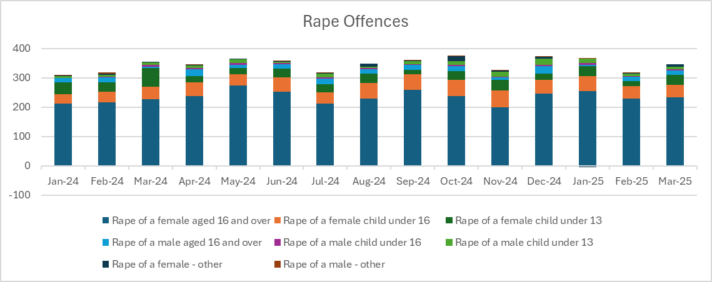
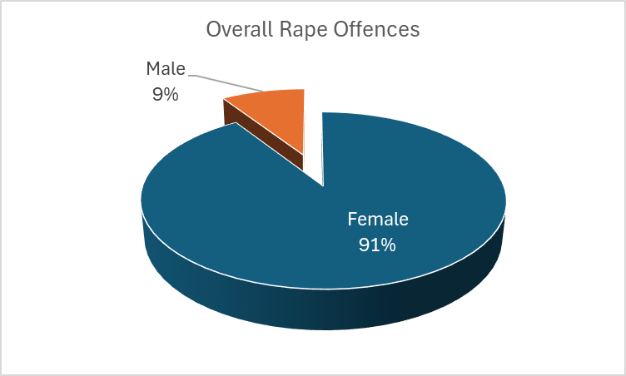

Domestic Abuse

Mental Health Incidents
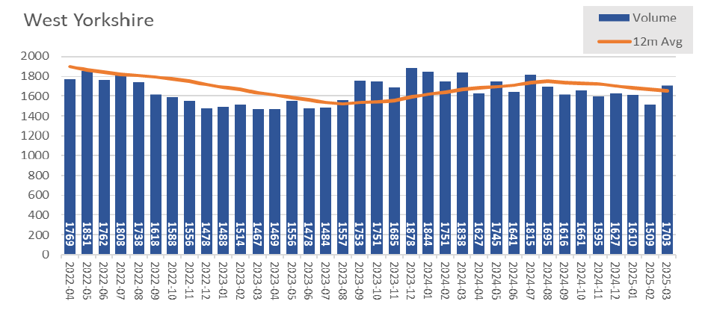

Hate Crime
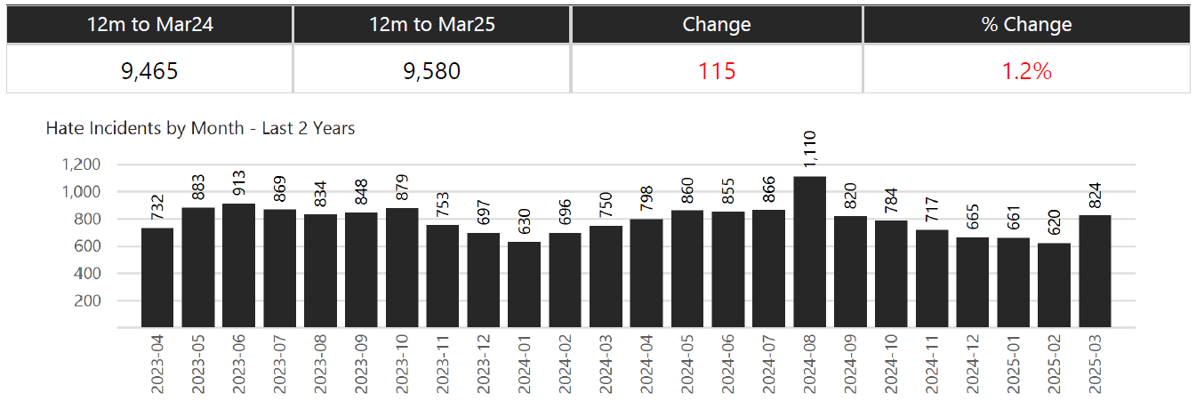

Missing Persons

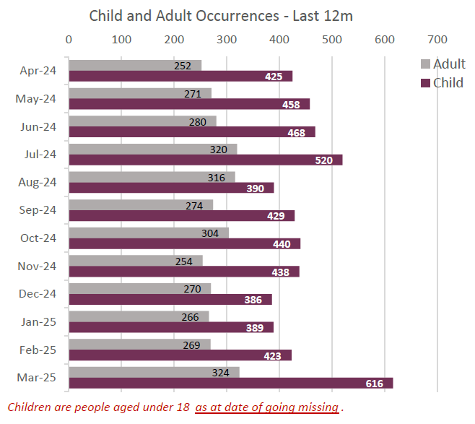

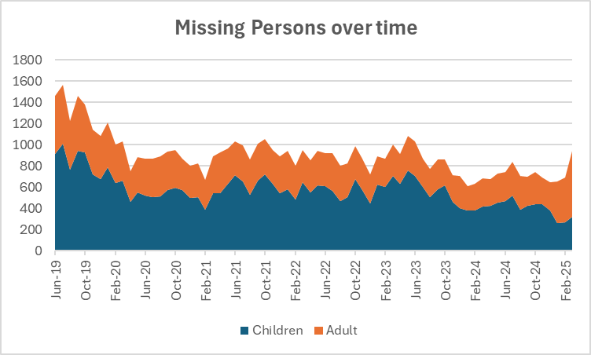

Community Measures
For more information see |  | Local Authority Interactive Tool (LAIT) | last updated Oct 2024 - next update Oct 2025

Looked After Children - rate per 10,000 referrals
 | Wyorks Avg | Yath | England
2015 | 69.2 | 64 | 60
2016 | 67.4 | 63 | 60
2017 | 71 | 67 | 62
2018 | 71 | 71 | 64
2019 | 75.8 | 75 | 66
2020 | 78.8 | 78 | 68
2021 | 79.8 | 80 | 69
2022 | 81.6 | 81 | 70
2023 | 84.2 | 81 | 70
2024 | 85.2 | 80 | 70
Child Protection Plans per 10,000 referrals
 | Wyorks Avg | YaTH | England
2015 | 39.32 | 42 | 43.1
2016 | 36.34 | 42 | 43.4
2017 | 38.4 | 43.3 | 43.8
2018 | 39.88 | 46.6 | 45.9
2019 | 49.74 | 50.2 | 44.5
2020 | 55.14 | 54.5 | 43.7
2021 | 42.22 | 50.1 | 42.4
2022 | 42.44 | 49.6 | 43.3
2023 | 52.02 | 50.4 | 42.7
2024 | 47.3 | 48.6 | 41.6

Child In Need - per 10,000 referrals
 | Wyorks | YatH | England
2015 | 317.86 | 348.8 | 338.2
2016 | 301.52 | 334.4 | 339.8
2017 | 322.54 | 351.5 | 333.3
2018 | 341.24 | 367.4 | 345.4
2019 | 349.72 | 360 | 339.8
2020 | 332.32 | 360.1 | 330.1
2021 | 322.9 | 358.6 | 329.6
2022 | 330.78 | 362.8 | 343.7
2023 | 329.1 | 346.9 | 339.1
2024 | 323.14 | 340.9 | 332.9

Drug and Alcohol Treatment Services
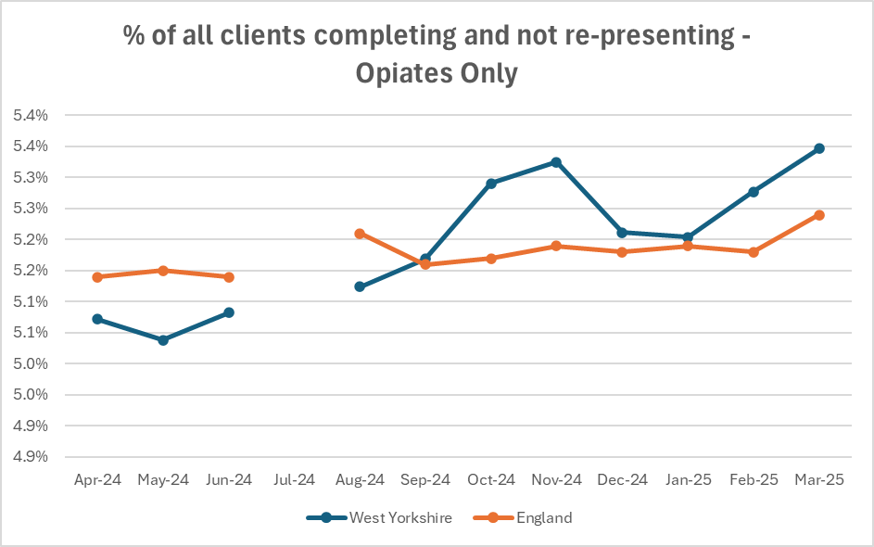

 | Completion Period | Reporting Period
 | Nov22 - Oct23 | Apr-24
 | Dec22 - Nov23 | May-24
 | Jan23 - Dec23 | Jun-24
 | Feb23 - Jan24 | Jul-24
 | Mar23 - Feb24 | Aug-24
 | Apr23 - Mar24 | Sep-24
 | May23 - Apr24 | Oct-24
 | Jun23 - May24 | Nov-24
 | Jul23 - Jun24 | Dec-24
 | Aug23 - Jul24 | Jan-25
 | Sep23 - Aug24 | Feb-25
 | Oct23 - Sep24 | Mar-25

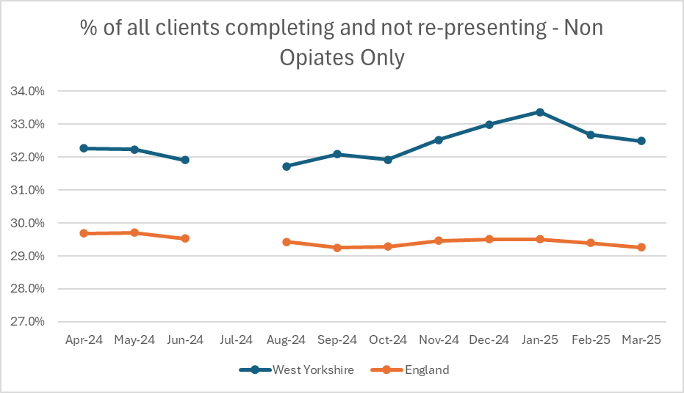
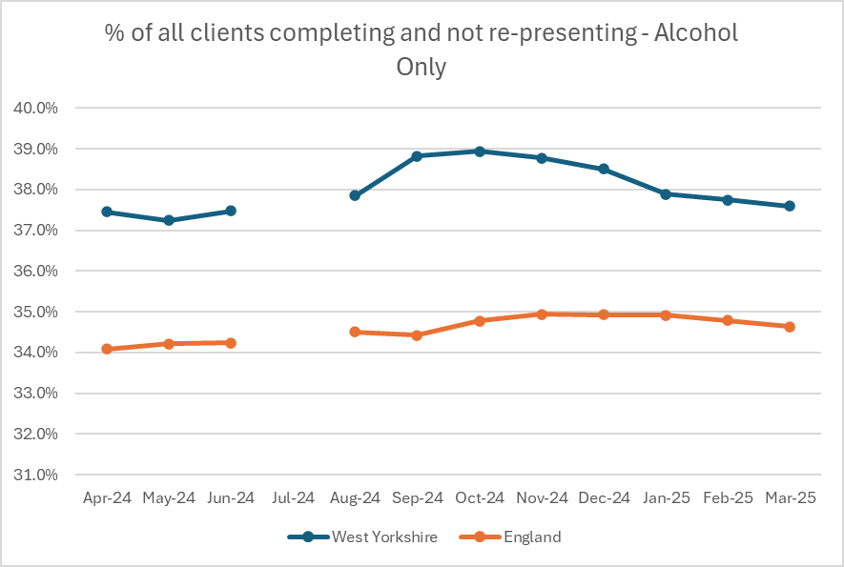

Last time we looked at substantial progress in treatment for both Drugs and Alcohol and found that we were behind England for drug treatment, and above for alcohol. In this itteration we have looked at this over time (please note these are provisional statistics) and particularly at whether users present again for treatment. For this we see that we were behind England for Opiates only - but this has changed in recent months and we are above for both Non- Opiate and Alcohol Only

Investigations
VAWG Positive Outcomes

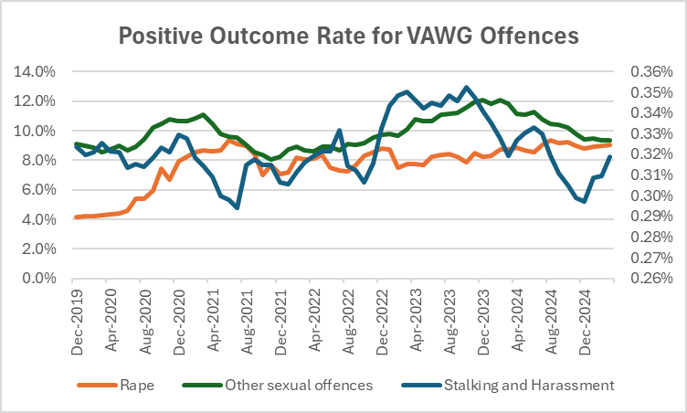
 |  | Force | Other Sexual Offences | Rape | Stalking and Harassment
 |  | Greater Manchester | 11.7% | 10.7% | 7.7%
 |  | Lancashire | 21.0% | 9.2% | 22.0%
 |  | Northumbria | 12.7% | 7.2% | 12.7%
 |  | Nottinghamshire | 13.8% | 8.2% | 11.8%
 |  | South Wales | 14.8% | 10.4% | 9.5%
 |  | South Yorkshire | 8.7% | 8.6% | 8.3%
 |  | West Midlands | 8.0% | 5.0% | 5.6%
 |  | West Yorkshire | 10.9% | 9.3% | 4.3%

 |  | Police recorded crime and outcomes open data tables - GOV.UK
 |  | to be updated annualy

Domestic Abuse Crimes and Outcome Rates Rolling 12 month data
 | Domestic Abuse Crimes | Domestic Abuse Outcome Rate
Dec-2019 | 53006 | 9.6%
Jan-2020 | 52794 | 9.6%
Feb-2020 | 52881 | 9.3%
Mar-2020 | 52939 | 9.3%
Apr-2020 | 52982 | 9.1%
May-2020 | 53056 | 8.9%
Jun-2020 | 53005 | 8.7%
Jul-2020 | 53478 | 8.5%
Aug-2020 | 53716 | 8.6%
Sep-2020 | 53762 | 8.7%
Oct-2020 | 53619 | 8.7%
Nov-2020 | 53503 | 8.7%
Dec-2020 | 53236 | 8.8%
Jan-2021 | 53419 | 8.6%
Feb-2021 | 53433 | 8.5%
Mar-2021 | 53595 | 8.4%
Apr-2021 | 53963 | 8.2%
May-2021 | 54439 | 7.8%
Jun-2021 | 54806 | 7.6%
Jul-2021 | 54952 | 7.5%
Aug-2021 | 55137 | 7.4%
Sep-2021 | 55775 | 7.3%
Oct-2021 | 56636 | 7.1%
Nov-2021 | 57523 | 7.1%
Dec-2021 | 58359 | 6.9%
Jan-2022 | 58874 | 6.9%
Feb-2022 | 59674 | 6.9%
Mar-2022 | 60415 | 6.8%
Apr-2022 | 60921 | 6.8%
May-2022 | 61407 | 6.7%
Jun-2022 | 62023 | 6.7%
Jul-2022 | 62683 | 6.7%
Aug-2022 | 63335 | 6.7%
Sep-2022 | 63630 | 6.6%
Oct-2022 | 63712 | 6.6%
Nov-2022 | 63848 | 6.8%
Dec-2022 | 63860 | 6.9%
Jan-2023 | 64151 | 7.0%
Feb-2023 | 64245 | 7.1%
Mar-2023 | 64306 | 7.0%
Apr-2023 | 64270 | 7.1%
May-2023 | 64188 | 7.0%
Jun-2023 | 63656 | 7.2%
Jul-2023 | 62623 | 7.2%
Aug-2023 | 61535 | 7.4%
Sep-2023 | 60822 | 7.5%
Oct-2023 | 60045 | 7.7%
Nov-2023 | 58916 | 7.6%
Dec-2023 | 58221 | 7.6%
Jan-2024 | 57251 | 7.5%
...
 |  | A comprehensive look at Domestic Abuse figures is completed by ONS in November every year - this looks at each force area and all facets of Domestic abuse. The most recent data is available at
 |  | Domestic abuse in England and Wales overview - Office for National Statistics

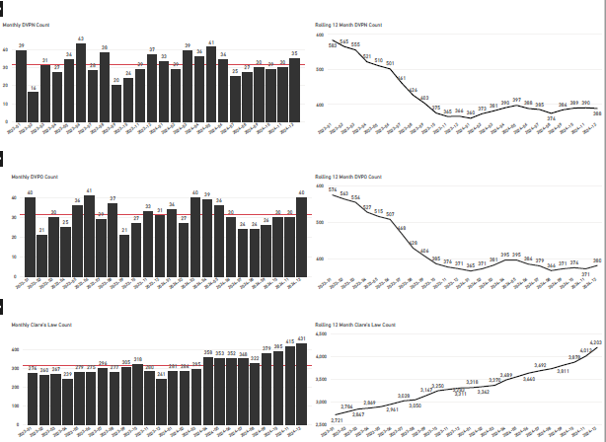

Community Measures

CRIMINAL JUSTICE MEASURES

Home - CJS Dashboard | Rape Review

Number of phones belonging to victims of adult rape that were held by the police for over 24 hours as part of a rape investigation
 | National | W Yorks
Q2 2024 | 62 | 10
Q3 2024 | 62 | 6
Q4 2024 | 65 | 2
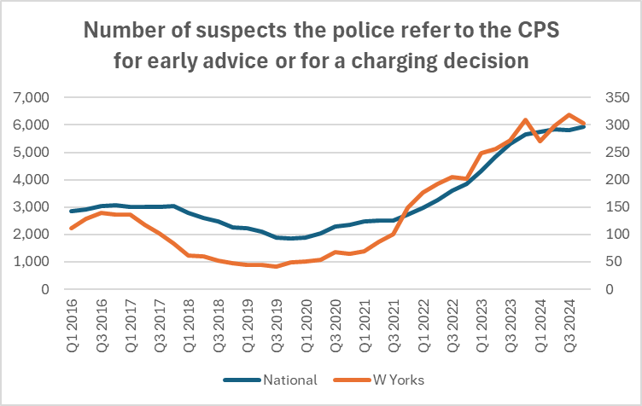

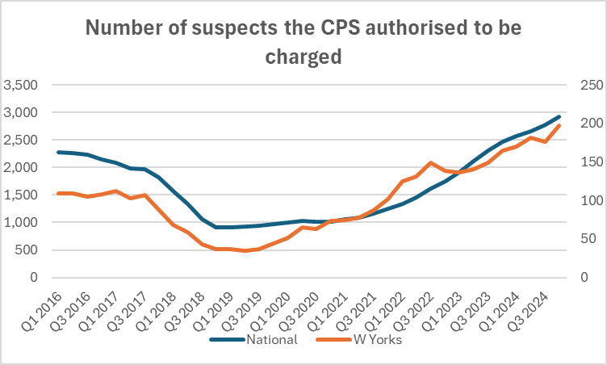
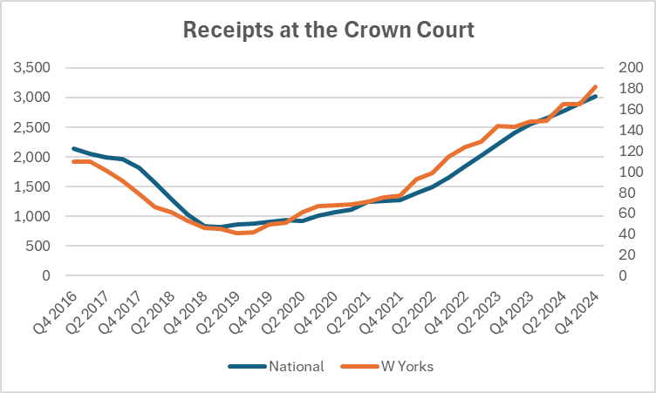

EDI
STOP & SEARCH

Of the 8,249 stop and searches conducted between October 2024 and March 2025, 2,799 (33.93%) had a police outcome, and 5,365 (65.04%) had no further action taken. For 85 (1.03%), the outcome was not collected.

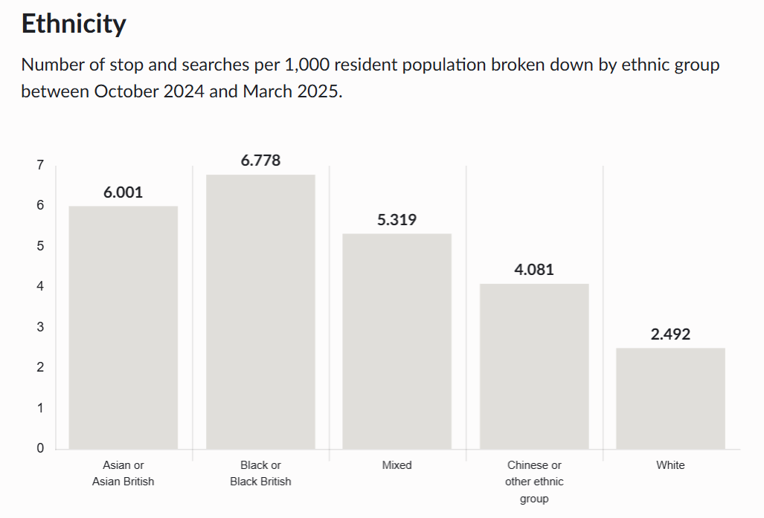
 |  |  |  |  | Object | Percentage of stop and searches grouped by the reason for the stop, between October 2024 and March 2025.
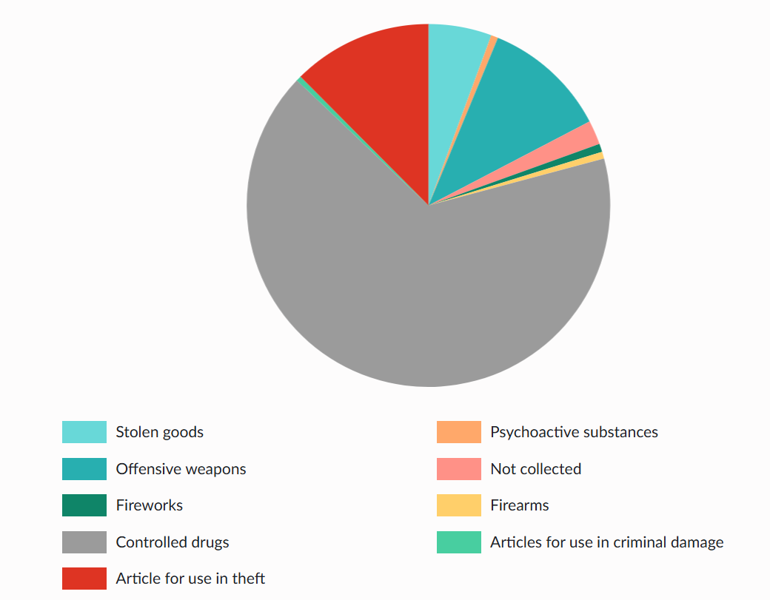

USE of FORCE
TASER USE
From the force equality information https://www.westyorkshire.police.uk/about-us/diversity-equality-and-inclusion/equality-duties-and-objectives

Source: West Yorkshire Taser monitoring reports.
Data Range: Data over the past 2 financial years has been used.
Comments: The report provides details relating to the number of occasions on which Taser has been used. The "use of taser" includes Firing, Drive Stun, Angled Drive Stun, Red Dot, Aimed, Arced and Drawn. The officer records highest level of usage when a "Use of Taser" form is submitted.
Exceptions: In the past year, about nine in every ten taser uses involved male subjects (91.5%). Just under 30% all taser uses were on people from Ethnic Minorities (28.8%), whilst around six out of 10 of taser uses (58.6%) were on subjects aged between 18 and 39.
Taser use has fallen by 22.4% in the latest 12 months. Non-contact taser use accounts for 93% of all taser usage showing that non-discharge use of taser is a successful method of de-escalating volatile situations often without progressing to firing, drive stun or angled drive stun use.
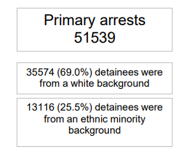

Arrests

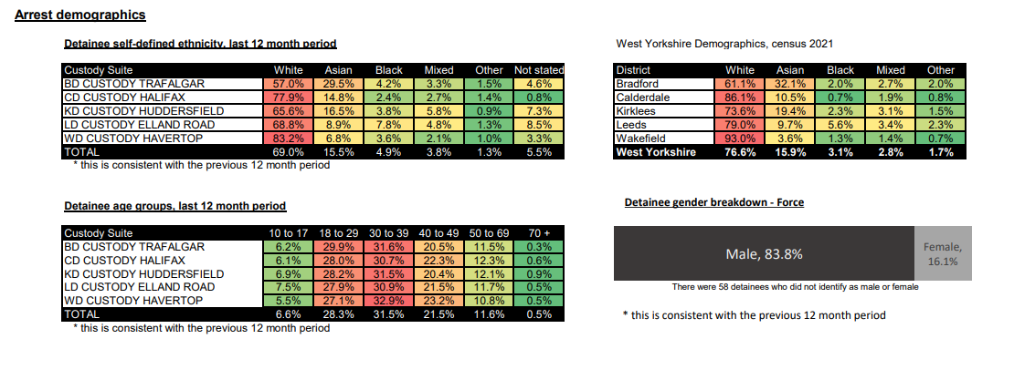

Victim Satisfaction Demographics

Demographics: Based on responses from all victims or callers who took part in feedback surveys. • Ethnicity: There is a significant difference between overall satisfaction of White victims (75.6%) and for victims and callers from all other ethnic groups combined (70.9%) leading to a satisfaction gap of 4.7%, compared to 6.0% a year ago. The gap varies from 3% at Wakefield to 8.5% at Kirklees and stands at 2.1% at FCMU. • Age: Victims who are over 55 are more satisfied with the service delivered than for those under 55. • Gender: Females are more satisfied (76.2%) with the service they have received than males (72.4%). • Disability: There is a significant difference between overall satisfaction levels for Victims and callers with a disability compared to those who do not have a disability (71.7% and 74.3% respectively).

Ethnic Minorities in Senior Ranks in WYP

Police Force Area | Chief Officer | Chief Superintendent | Superintendent | Chief Inspector | Inspector
Northumbria | 0 | 0 | 1 | 0 | 5 |  | No futher national update
Greater Manchester | 1 | 1 | 6 | 12 | 22
Lancashire | 0 | 0 | 2 | 2.9 | 9
South Yorkshire | 0 | 0 | 0 | 1 | 4
West Yorkshire | 1 | 1 | 1 | 4 | 18
Nottinghamshire | 0 | 1 | 0 | 4 | 5.6
West Midlands | 0 | 0 | 4 | 17 | 35
South Wales | 0 | 0 | 0 | 1 | 4

Equality Duty Measures

Equality Information 2023-24

Includes data on:

Stop and Search
Arrests by Nationality, Gender, and Age
Section 136 custody related arrests
Strip Search in Custody
Use of Taser
Domestic violence offences: outcomes and high-risk referrals
Hate Incidents (hate crime and hate non-crimes)
Racist Incidents Victims Satisfaction
Rape Offences
Safeguarding – Missing from Home and Child Protection Case Conferences
Number of Missing Occurrences involving Adults and Children
Requests for interpreters: suspects, victims, and witnesses
Victim Satisfaction
Anti-Social Behaviour Victim Satisfaction
Overall workforce breakdown (officers, staff, special constables)
Workforce Rank and Grade by Ethnicity and Gender
New starters (officers, staff, and special constables)
Workforce Progression
Equal pay and job evaluation
Part time working (officer and staff)
Leavers (officer, staff, and special constables)
Reasons for leaving (officer, staff, and special constables)

